INC-2054
Current Implementation
S No | Vendor Involved Flag | Vendor Qualification | Compliance Controls | Comments
1 | Yes | Data Controller | 5 | Inventory, lawfulness, Data Subject, Vendor and EMP Training are TRUE
2 | Yes | Data Processor | 10
3 | Yes | To Be Clarified | 10
4 | Yes | Service Provider | 10
5 | Yes | UNSPECIFIED | 10
6 | No |  | 9 | Vendor Should be False

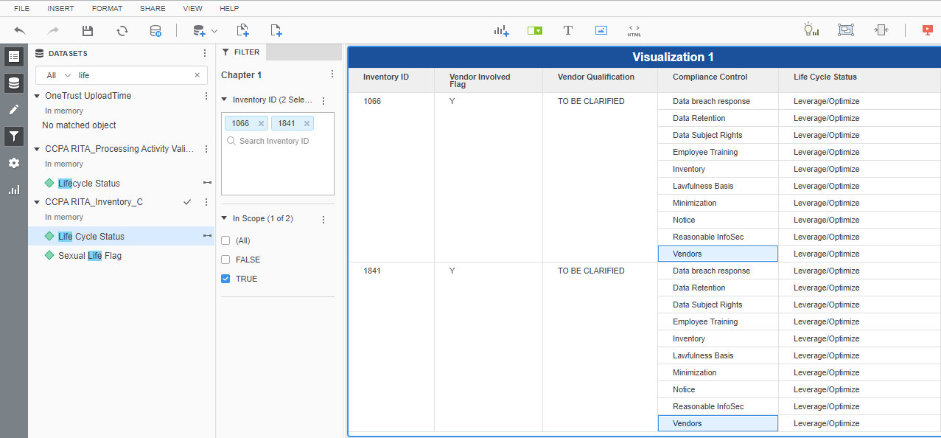

Fix as Part of INC-2054 Implementation
S No | Vendor Involved Flag | Vendor Qualification | Compliance Controls | Comments
1 | Yes | Data Controller | 5 | Inventory, lawfulness, Data Subject, Vendor and EMP Training are TRUE
2 | Yes | Data Processor | 10
3 | Yes | To Be Clarified | 9 | Only Vendor will be be False
4 | Yes | Service Provider | 9 | Only Vendor will be be False
5 | Yes | UNSPECIFIED | 9 | Only Vendor will be be False
6 | No |  | 9 | Only Vendor will be be False

